Guidance
BREEAM In-Use International V6 Building Management (Part 2): Energy Allocation Calculator

Why has this been developed?

Currently within the BREEAM In-Use International Version 6 (BIU v6) Part 2 Energy Calculator an asset is not able to use apportioned, calculated, or estimated energy consumption data. This was to ensure that consistent data was used when assessing against the BREEAM In-Use International Version 6 scheme. By insisting that all data entered relate directly to the asset that is being assessed, it means that the performance of assets can be compared robustly against each other. We are aware that this created a significant challenge for assets where it was not feasible to sub-meter all fuels and energy sources. As a consequence the operational energy performance of many assets could not be assessed or rewarded in BIU v6. There was therefore a need to provide an alternative methodology which provides flexibility for users, while retaining consistency to facilitate robust comparisons. This Energy Allocation methodology provides a solution for that challenge. The BIU v6 Energy Allocation Calculator is intended to be used as part of a BIU v6 assessment only; It cannot be used to provide accurate energy consumption breakdown in multi-function/system contexts. BRE Global cannot accept any liabilities for variations in the performance of buildings or other assets from the results obtained through the use of this Energy Allocation Calculator, and therefore it should not be used as the basis for making decisions on enhancement and investment actions.

Which assessments should use this methodology?

This methodology is designed for assessments which are not able to provide comprehensive metered data that directly relate to the asset floor area. If this method is used, all metered energy sources that provide any energy to the assessed area must be recorded within the Energy Allocation Calculator. Assessors must read this guidance before proceeding to assess assets using this methodology to establish whether the asset is eligible.

Are the same number of credits available?

This method enables Assessors to enter energy consumption data which cover larger areas that encompass the assessed area, in addition to data that relates only to the assessed area. It allocates energy consumption to the asset based on floor area, which is then compared to the relevant operational benchmark. However, to reflect the uncertainty associated with the Allocation process the scoring is adjusted accordingly to how closely the metering/sub-metering strategy corresponds to the floor area of the asset. For example, where energy consumption is sub-metered over a floor area which is 20% larger than that of the assessed asset, all the resulting carbon emissions are assigned to asset. This will result in fewer credits being awarded compared to if the asset was fully sub-metered. This approach encourages users to improve their metering strategies as only assets where all energy consumptions are separately metered over the correct floor areas will be eligible for the maximum number of credits. Refer to the ‘Results tab’ below for further information.

Full Guidance

Asset Information tab

The Assessor must complete a series of questions regarding the asset being assessed. Some of these replicate those on the online platform (including Asset Type and respective floor areas), while others require more detailed inputs.

Consumption Data tab

Unlike the BIU v6 Part 2 Energy Calculator found in the Online Platform, the Energy Allocation method requires data to be entered for each meter and fuel type, rather than by fuel type alone. Each row within the table represents a different meter within the asset. Information is provided below regarding each data entry point required for each meter, with guidance explaining how to complete this.

Meter ID: This is a unique number allocated to each meter for the BIU assessment, which is allocated automatically and is fixed. These numbers are only used to help support the Quality Assurance (QA) process. For example, if further information is needed for one of the meters during an Audit, this number allows the QA Team to quickly and clearly outline to the Assessor where the clarification is required.

Meter reference number (optional): This is an available entry field provided to help the Assessor identify the meter when undertaking discussions with the client. For example this could be the unique meter reference number used by the energy provider.

Description: This free text entry is designed to help Assessors identify the building servicing systems and floor area served by the meter. For example ‘Ground floor lighting’.

Fuel type: The Assessor must select from the drop-down menu which fuel type the meter is monitoring. The list is taken directly from the BIU v6 Part 2 Energy Calculator list.

Consumption start date: This is the date in which the start meter reading was taken. This should be in DD-MMM-YY format (i.e. 01-Jan-2017). Note: the period between the start date and the end date must be between 11 and 13 months.

Consumption end date: This is the date in which the end meter reading was taken. This should be in DD-MMM-YY format (i.e. 01-Jan-2018). Note: the period between the start date and the end date must be between 11 and 13 months.

End-uses: These questions identify which end-uses the meter is monitoring. If the meter is monitoring energy consumption from the following end-uses then the Assessor should select ‘Yes’ in all columns that are relevant: - Space heating (Main system) - Space cooling (Main system) - Ventilation - Domestic hot water - Supplementary space heating or cooling - Other consumption (lighting, small power etc.) Note: if the meter is only monitoring ‘Electricity (Exported)’ to the grid (e.g. a solar photovoltaic array), the Assessor should select ‘No’ for all the end-uses.

Total annual consumption (kWh): This is the total amount of energy (in kWh) which has been measured from that meter within the period outlined between the ‘Consumption start date’ and the ‘Consumption end date’. Note: where the period outlined between the ‘Consumption start date’ and the ‘Consumption end date’ does not exactly equal 12 months, the Allocation tool adjusts the ‘Total annual consumption (kWh)’ to take account for this difference in period. For example, where the period covers 350 days rather than 365 days, the tool will simply divide the figure entered by the number of days it is covered by, and multiply this by 365. This ensures that all meters for all projects have comparable data.

Total area metered: This is asking for the total floor area that is covered by the specific meter (m²). Example: A retail building has three different tenants as well as a common area. The asset owner wants to certify the common area only, but the meter which measures the energy consumption for lighting relates to the whole building (common area and tenant spaces). Here the Assessor should enter the total floor area that is covered by this meter, which is both the common area and tenant spaces (3,500m²).

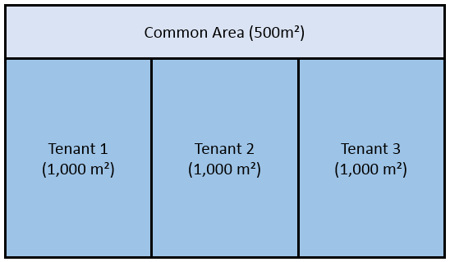

Assessed area metered: This question is looking to determine the total amount of assessed area that is covered by this meter (m²). Example: Using the scenario above, the Assessor should enter the floor area for the common area only (500m²).

Serviced floor area: Where ‘Yes’ has been selected for more than one end-use within the ‘End-use’ questions (i.e. a single meter monitoring two or more end-uses, such as cooling and heating) the Assessor must confirm whether the end-uses are servicing the same floor area. This is to ensure that we can robustly apportion the consumption data. Example 1: Using the same scenario above, consider a situation where there is one meter covering cooling and heating for the whole building. The heating being metered serves Tenant 1 & Tenant 2 only, while the cooling serves the whole building. In this situation there is no way for us to apportion this data based on floor area. This is because there is 2,000m² of the building is being heated, while 3,500m² of the building is being cooled. There is no way for us to allocate the energy consumption related to heating or cooling for these spaces. In this situation the Assessor would need to answer ‘No’ to this question. Note: Answering ‘No’ to this question for any meter means that this asset cannot be assessed using the Energy Allocation method.
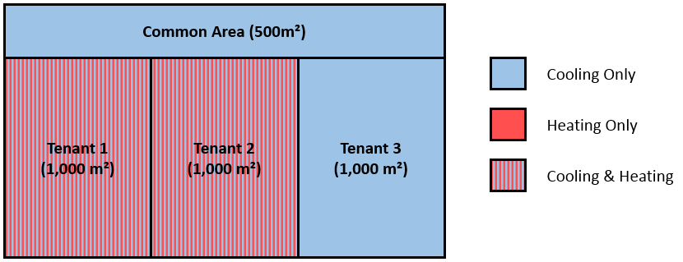

Example 2: Using the same building, if the meter covered heating and cooling systems which serviced the same areas, then the Assessor can select ‘Yes’ for this question. This would allow them to continue with the Energy Allocation method.

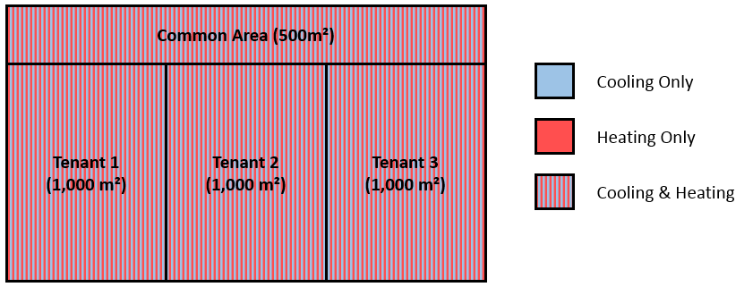

Allocated consumption (kWh): This figure is calculated in the tool automatically. It uses the ‘Total annual consumption (kWh)’ (after it has been adjusted to a 12 month period), and determines the proportion of this consumption which is related to the assessed floor area. This is undertaken with the following calculation: ‘Allocated consumption (kWh)’ = ‘Total annual consumption (kWh)’ x [‘Assessed area metered’ / ‘Total area metered’]

Feedback: This is to provide guidance to Assessors when completing the tool. This will help to inform Assessors if certain cells within the Excel spreadsheet have failed to be completed or have been completed incorrectly.

Assessor Verification Comments: As the Assessor is undertaking their audit on a meter-level approach, rather than by individual fuel types, the Assessor will not need to complete detailed Assessor comments within the BREEAM In-Use International Version 6 Online Platform. Instead the Online Platform should contain Assessor comments outlining that the Energy Allocation method has been used, and that all Assessor comments are contained within the associated Energy Allocation Excel tool. Therefore, this space in the Excel tool enables the Assessor to provide verification comments, however the comments are now on a meter-level rather than by fuel type. This is the same for supporting evidence also. Please see the following Knowledge Base entries to help support Assessors with this:

KBCN0962 (click here)
KBCN1019 (click here)

Results tab

This table demonstrates two outputs. Both need to be entered into the BIU v6 online platform in order to determine the number of credits achieved.

Allocated energy use (kWh): This is the energy for each particular fuel type which has been ‘Allocated’ to the assessed area using the methodology explained above. Once the tool has been completed, these results should be directly entered into the respective question within the BIU v6 Online Platform. For example, ‘ENE 19 - Electricity’ should be entered into 'ENE 19 - Electricity' in the Online Platform.

Percentage of credits available: This is the percentage of credits available using this methodology. The tool determines this by considering the relationship between the ‘Allocated energy use (kWh)’, as well as the ‘Maximum energy consumption’. The ‘Maximum energy consumption’ is the total amount of energy metered prior to the Allocation method. This is assuming the worst-case scenario, which assumes that all of the metered energy consumption entered into the Energy Allocation tool is consumed within the assessed area. The tool then uses this information to determine the ‘Percentage of credits available’ as follows: The tool first converts both the ‘Allocated energy use (kWh)’ and the ‘Maximum energy consumption’ into carbon related impact (using the BIU v6 carbon factors). Next the tool compares the total related emissions for the ‘Allocated energy use (kWh)’ and the ‘Maximum energy consumption’. The ratio of ‘Allocated energy use’ to ‘Maximum energy use’ determines the ‘Percentage of credits available’. For example, if the ‘Maximum energy use’ has a carbon impact of 1,000 kgCO2e and the ‘Allocated energy use’ has a carbon impact of 750 kgCO2e then 75% of the credits would be available within the Allocated Energy method. The ‘Percentage of credits available’ must be entered into the BIU v6 Online Platform, along with the ‘Allocated energy use (kWh)’ for each fuel type. This will then determine the number of credits achieved.

Submission

When Assessors are ready to submit, they must ensure the following is undertaken:

1. The completed Energy Allocation Calculator needs to be provided as evidence.
2. The completed Energy Allocation Calculator should contain Assessor comments related to each row (i.e. each meter), see relevant Knowledge Base entry (KBCN0962).
3. The completed Energy Allocation Calculator should be supported by evidence related to each row in the tool (i.e. each meter), see relevant Knowledge Base entry (KBCN1019).
4. In the BIU V6 Online Platform, Assessors should select the ‘Energy Allocation Method’ within Scoping Question 1 (SQ1) of the Management Performance (Part 2) Energy Category.
5. In the BIU v6 Online Platform, Assessors should now enter the ‘Percentage of credits available’ (found in the 'Results' tab) into Scoping Question 1a (SQ1a) of the Management Performance (Part 2) Energy Category.
6. In the BIU v6 Online Platform, Assessors should enter a 12 month reporting period for each fuel type (i.e. 01/May/2019 & 30/Apr/2020) into ENE 19a. This will ensure that the calculator can operate.
7. In the BIU v6 Online Platform, Assessors should enter the ‘Allocated energy use’ for each fuel type, found in the 'Results' tab.

